W-01
 |  |  |  | Page: 805_41
SETI |  |  ARCHIDEA Chabua Amirejibi Hwy #6 Tbilisi, Georgia Office: 599 857 815
FOH FURNITURE SPECIFICATION
REFERENCE | CODE ON DRAWING | DESCRIPTION | REVISION | DATE
PUBLIC WC | W-01 | WASHBASIN | R0
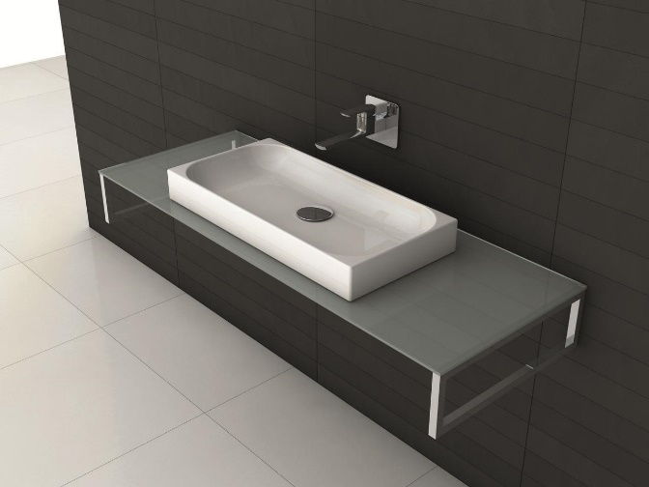 |  | MANUFACTURER
 |  | MODEL
 |  | COLOR
 |  | FINISH
 |  | SIZE (in mm) | 650x320xh85
 |  | TECHNICAL INFORMATION
 |  | WEB LINK
 |  | NOTES

W-02
 |  |  |  | Page: 805_42
SETI |  | ARCHIDEA Chabua Amirejibi Hwy #6 Tbilisi, Georgia Office: 599 857 815
FOH FURNITURE SPECIFICATION
REFERENCE | CODE ON DRAWING | DESCRIPTION | REVISION | DATE
PUBLIC WC | W-02 | WASHBASIN MIXER | R0
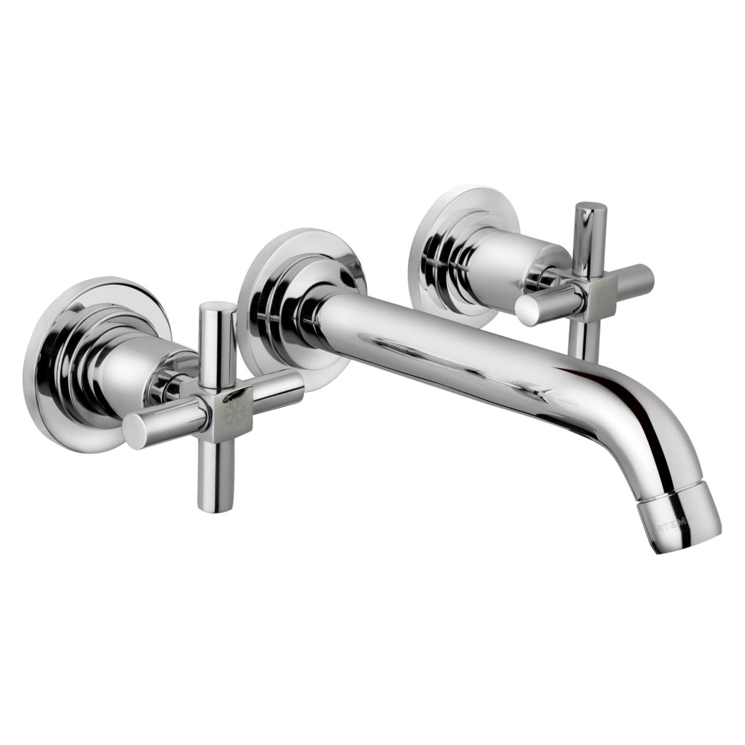 |  | MANUFACTURER
 |  | MODEL
 |  | COLOR | silver
 |  | FINISH
 |  | SIZE (in mm)
 |  | TECHNICAL INFORMATION | Wall mounted 3-holes
 |  | WEB LINK
 |  | NOTES

W-03
 |  |  |  | Page: 805_43
SETI |  | ARCHIDEA Chabua Amirejibi Hwy #6 Tbilisi, Georgia Office: 599 857 815
FOH FURNITURE SPECIFICATION
REFERENCE | CODE ON DRAWING | DESCRIPTION | REVISION | DATE
PUBLIC WC | W-03 | WC | R0
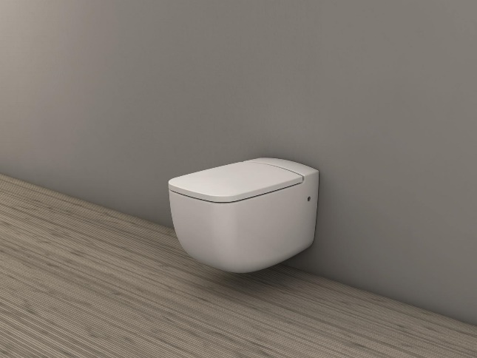 |  | MANUFACTURER
 |  | MODEL | wc with Seat and cistern
 |  | COLOR
 |  | FINISH
 |  | SIZE (in mm) | 540x340xh350
 |  | TECHNICAL INFORMATION
 |  | WEB LINK
 |  | NOTES

W-04
 |  |  |  | Page: 805_44
SETI |  | ARCHIDEA Chabua Amirejibi Hwy #6 Tbilisi, Georgia Office: 599 857 815
FOH FURNITURE SPECIFICATION
REFERENCE | CODE ON DRAWING | DESCRIPTION | REVISION | DATE
PUBLIC WC | W-04 | PUSH PLATE | R0
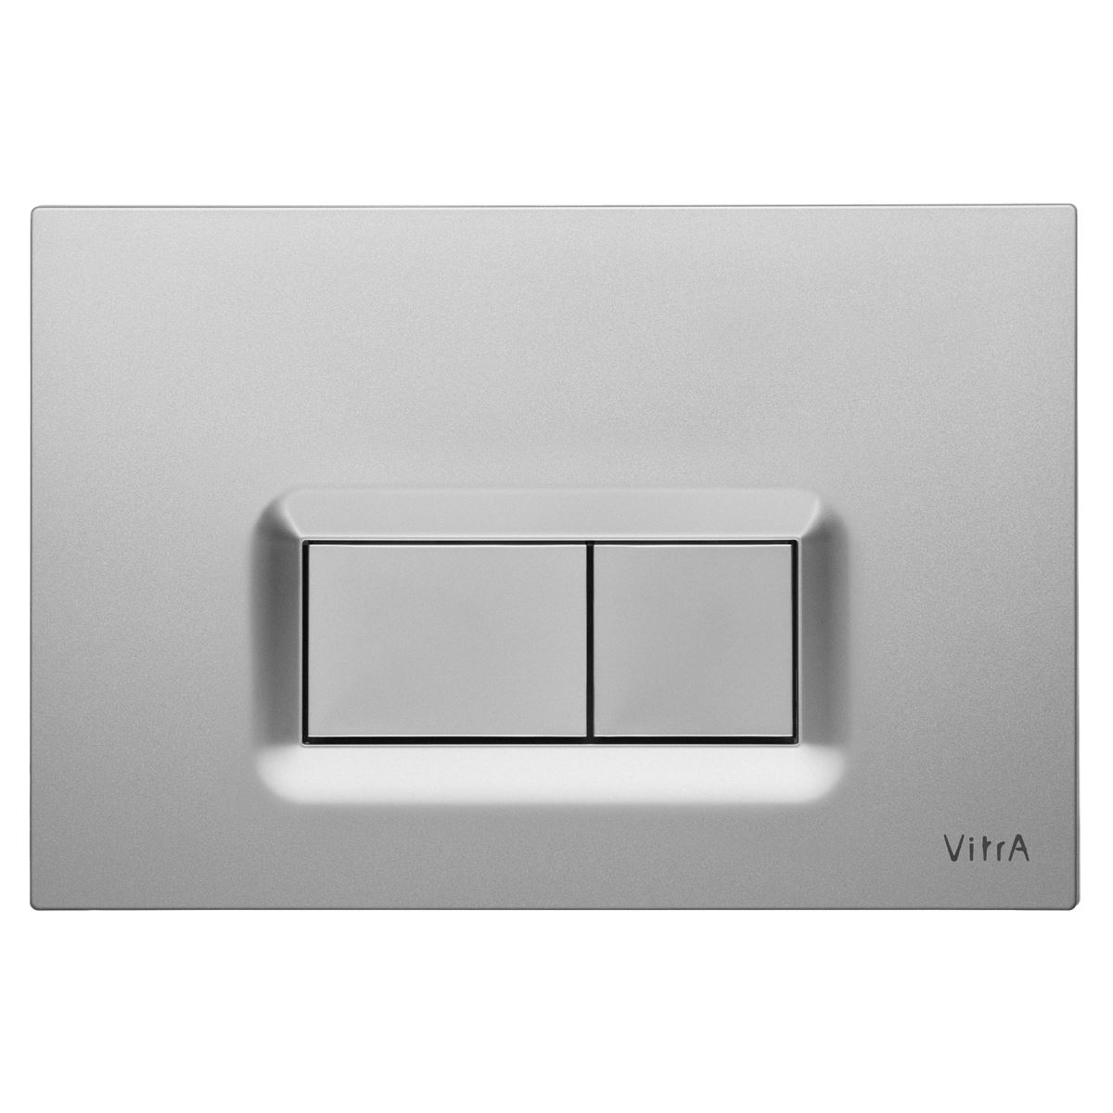 |  | MANUFACTURER
 |  | MODEL
 |  | COLOR | silver
 |  | FINISH
 |  | SIZE (in mm)
 |  | TECHNICAL INFORMATION
 |  | WEB LINK
 |  | NOTES

W-05
 |  |  |  | Page: 805_45
SETI |  | ARCHIDEA Chabua Amirejibi Hwy #6 Tbilisi, Georgia Office: 599 857 815
FOH FURNITURE SPECIFICATION
REFERENCE | CODE ON DRAWING | DESCRIPTION | REVISION | DATE
PUBLIC WC | W-05 | ROLL HOLDER | R0
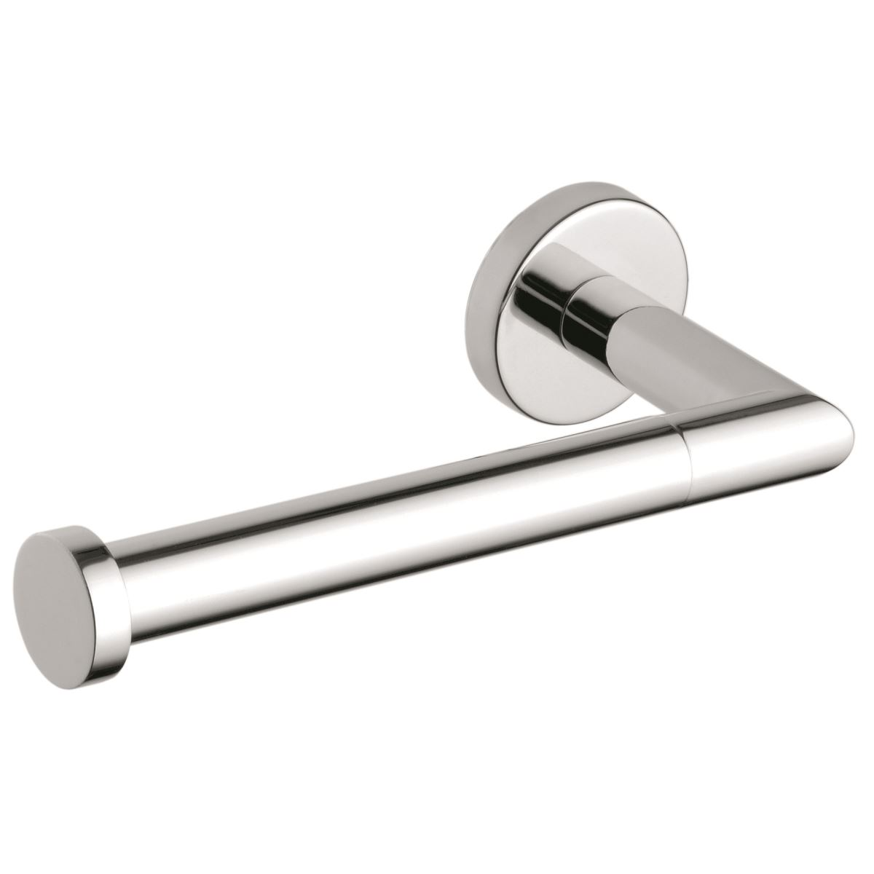 |  | MANUFACTURER
 |  | MODEL
 |  | COLOR | silver
 |  | FINISH
 |  | SIZE (in mm)
 |  | TECHNICAL INFORMATION
 |  | WEB LINK
 |  | NOTES

W-06
 |  |  |  | Page: 805_46
SETI |  | ARCHIDEA Chabua Amirejibi Hwy #6 Tbilisi, Georgia Office: 599 857 815
FOH FURNITURE SPECIFICATION
REFERENCE | CODE ON DRAWING | DESCRIPTION | REVISION | DATE
PUBLIC WC | W-06 | BRUSH HOLDER | R0
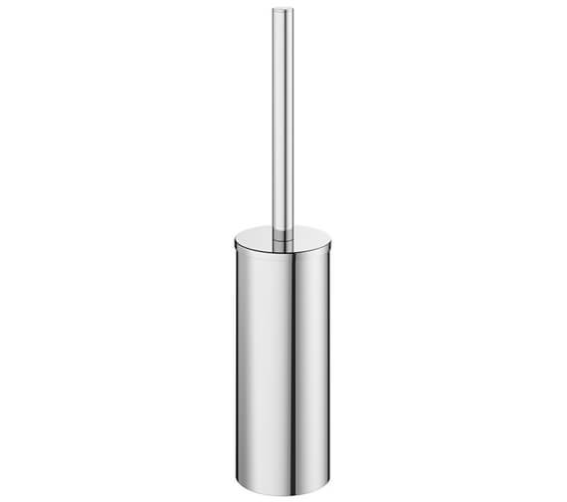 |  | MANUFACTURER
 |  | MODEL
 |  | COLOR | silver
 |  | FINISH
 |  | SIZE (in mm)
 |  | TECHNICAL INFORMATION
 |  | WEB LINK
 |  | NOTES

W-07
 |  |  |  | Page: 805_47
SETI |  | ARCHIDEA Chabua Amirejibi Hwy #6 Tbilisi, Georgia Office: 599 857 815
FOH FURNITURE SPECIFICATION
REFERENCE | CODE ON DRAWING | DESCRIPTION | REVISION | DATE
PUBLIC WC | W-07 | SOAP DISPENSER | R0
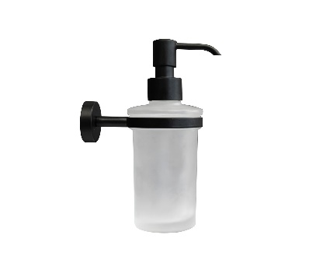 |  | MANUFACTURER
 |  | MODEL
 |  | COLOR | silver
 |  | FINISH
 |  | SIZE (in mm)
 |  | TECHNICAL INFORMATION
 |  | WEB LINK
 |  | NOTES

W-08
 |  |  |  | Page: 805_48
SETI |  | ARCHIDEA Chabua Amirejibi Hwy #6 Tbilisi, Georgia Office: 599 857 815
FOH FURNITURE SPECIFICATION
REFERENCE | CODE ON DRAWING | DESCRIPTION | REVISION | DATE
PUBLIC WC | W-08 | WASTE BIN | R0
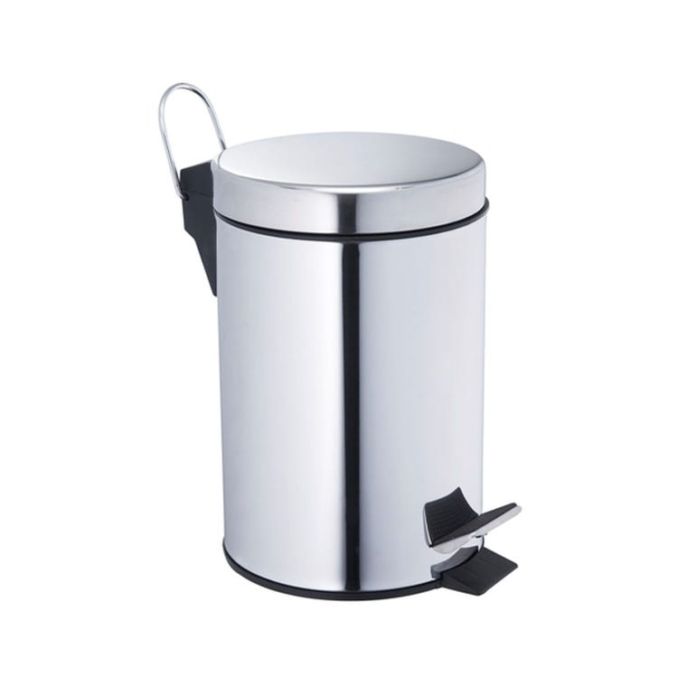 |  | MANUFACTURER
 |  | MODEL
 |  | COLOR | silver
 |  | FINISH
 |  | SIZE (in mm)
 |  | TECHNICAL INFORMATION
 |  | WEB LINK
 |  | NOTES

W-09
 |  |  |  | Page: 805_49
SETI |  | ARCHIDEA Chabua Amirejibi Hwy #6 Tbilisi, Georgia Office: 599 857 815
FOH FURNITURE SPECIFICATION
REFERENCE | CODE ON DRAWING | DESCRIPTION | REVISION | DATE
PUBLIC WC | W-09 | MIRROR 1 | R0
 |  | MANUFACTURER | Custom
 |  | MODEL
 |  | COLOR
 |  | FINISH | frame - painted MDF Ral 7022
 |  | SIZE (in mm) | 750x1100
 |  | TECHNICAL INFORMATION
 |  | WEB LINK
 |  | NOTES

W-11
 |  |  |  | Page: 805_51
SETI |  | ARCHIDEA Chabua Amirejibi Hwy #6 Tbilisi, Georgia Office: 599 857 815
FOH FURNITURE SPECIFICATION
REFERENCE | CODE ON DRAWING | DESCRIPTION | REVISION | DATE
PUBLIC WC | W-11 | BRUSH HOLDER | R0
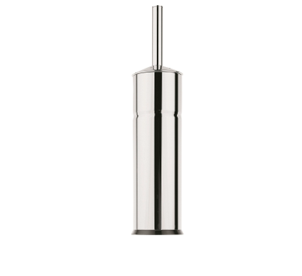 |  | MANUFACTURER | VITRA
 |  | MODEL | ARKITEKTA A44287EXP
 |  | COLOR
 |  | FINISH
 |  | SIZE (in mm)
 |  | TECHNICAL INFORMATION
 |  | WEB LINK
 |  | NOTES

W-12
 |  |  |  | Page: 805_52
SETI |  | ARCHIDEA Chabua Amirejibi Hwy #6 Tbilisi, Georgia Office: 599 857 815
FOH FURNITURE SPECIFICATION
REFERENCE | CODE ON DRAWING | DESCRIPTION | REVISION | DATE
PUBLIC WC | W-12 | WASTE BIN | R0
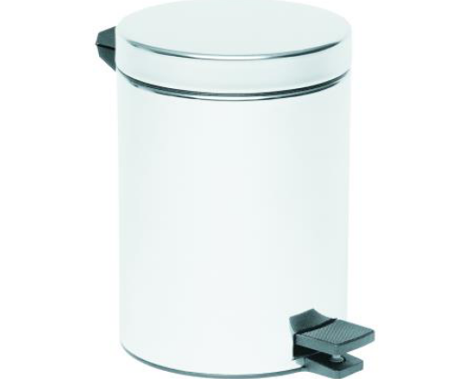 |  | MANUFACTURER | VITRA
 |  | MODEL | A44054EXP
 |  | COLOR
 |  | FINISH
 |  | SIZE (in mm)
 |  | TECHNICAL INFORMATION
 |  | WEB LINK
 |  | NOTES

S-04
 |  |  |  | Page: 805_53
SETI |  | ARCHIDEA Chabua Amirejibi Hwy #6 Tbilisi, Georgia Office: 599 857 815
FOH FURNITURE SPECIFICATION
REFERENCE | CODE ON DRAWING | DESCRIPTION | REVISION | DATE
PUBLIC WC | S-04 | DISABLED SINK | R0
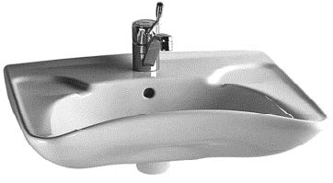 |  | MANUFACTURER | Vitra
 |  | MODEL | 6147B003-0001
 |  | COLOR
 |  | FINISH
 |  | SIZE (in mm)
 |  | TECHNICAL INFORMATION
 |  | WEB LINK
 |  | NOTES

S-05
 |  |  |  | Page: 805_54
SETI |  | ARCHIDEA Chabua Amirejibi Hwy #6 Tbilisi, Georgia Office: 599 857 815
FOH FURNITURE SPECIFICATION
REFERENCE | CODE ON DRAWING | DESCRIPTION | REVISION | DATE
PUBLIC WC | S-05 | DISABLED WC | R0
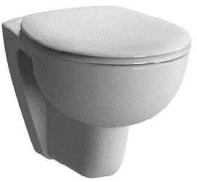 |  | MANUFACTURER | Vitra
 |  | MODEL | 5812B003-0075
 |  | COLOR
 |  | FINISH
 |  | SIZE (in mm)
 |  | TECHNICAL INFORMATION | Conforma Special Needs Wc Pan, 54 cm, High
 |  | WEB LINK
 |  | NOTES

S-06
 |  |  |  | Page: 805_55
SETI |  | ARCHIDEA Chabua Amirejibi Hwy #6 Tbilisi, Georgia Office: 599 857 815
FOH FURNITURE SPECIFICATION
REFERENCE | CODE ON DRAWING | DESCRIPTION | REVISION | DATE
PUBLIC WC | S-06 | HOLDER | R0
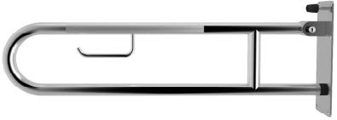 |  | MANUFACTURER | Vitra
 |  | MODEL | 320-3014
 |  | COLOR
 |  | FINISH
 |  | SIZE (in mm)
 |  | TECHNICAL INFORMATION
 |  | WEB LINK
 |  | NOTES

S-09
 |  |  |  | Page: 805_56
SETI |  | ARCHIDEA Chabua Amirejibi Hwy #6 Tbilisi, Georgia Office: 599 857 815
FOH FURNITURE SPECIFICATION
REFERENCE | CODE ON DRAWING | DESCRIPTION | REVISION | DATE
PUBLIC WC | S-09 | FLUSH PLATE | R0
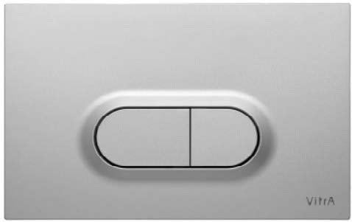 |  | MANUFACTURER | Vitra
 |  | MODEL | 740-0586
 |  | COLOR
 |  | FINISH
 |  | SIZE (in mm)
 |  | TECHNICAL INFORMATION
 |  | WEB LINK
 |  | NOTES

S-13
 |  |  |  | Page: 805_57
SETI |  | ARCHIDEA Chabua Amirejibi Hwy #6 Tbilisi, Georgia Office: 599 857 815
FOH FURNITURE SPECIFICATION
REFERENCE | CODE ON DRAWING | DESCRIPTION | REVISION | DATE
PUBLIC WC | S-13 | MIRROR | R0
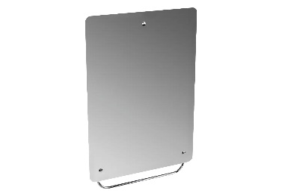 |  | MANUFACTURER | Vitra
 |  | MODEL | 320-1131
 |  | COLOR
 |  | FINISH
 |  | SIZE (in mm)
 |  | TECHNICAL INFORMATION
 |  | WEB LINK
 |  | NOTES

S-16
 |  |  |  | Page: 805_59
SETI |  | ARCHIDEA Chabua Amirejibi Hwy #6 Tbilisi, Georgia Office: 599 857 815
FOH FURNITURE SPECIFICATION
REFERENCE | CODE ON DRAWING | DESCRIPTION | REVISION | DATE
PUBLIC WC | S-16 | DISABLES BASIN MIXER | R0
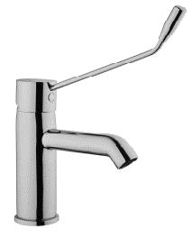 |  | MANUFACTURER | Vitra
 |  | MODEL | A42312EXP
 |  | COLOR
 |  | FINISH
 |  | SIZE (in mm)
 |  | TECHNICAL INFORMATION
 |  | WEB LINK
 |  | NOTES

S-17
 |  |  |  | Page: 805_60
SETI |  | ARCHIDEA Chabua Amirejibi Hwy #6 Tbilisi, Georgia Office: 599 857 815
FOH FURNITURE SPECIFICATION
REFERENCE | CODE ON DRAWING | DESCRIPTION | REVISION | DATE
PUBLIC WC | S-17 | SOAP DISPENCER | R0
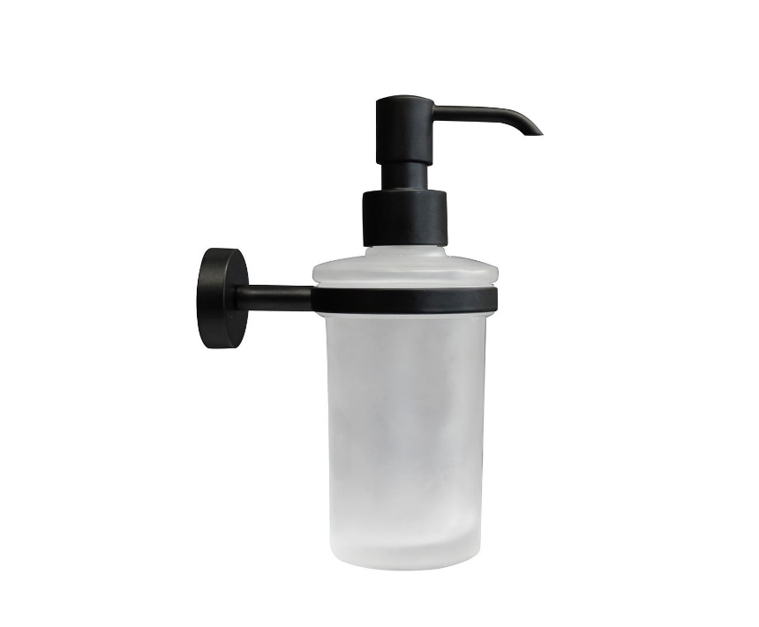 |  | MANUFACTURER | Palazzani
 |  | MODEL | 9943H9
 |  | COLOR | 38 Matt Black
 |  | FINISH
 |  | SIZE (in mm)
 |  | TECHNICAL INFORMATION | Wall Mounted Soap Dispenser
 |  | WEB LINK
 |  | NOTES

S-19
 |  |  |  | Page: 805_61
SETI |  | ARCHIDEA Chabua Amirejibi Hwy #6 Tbilisi, Georgia Office: 599 857 815
FOH FURNITURE SPECIFICATION
REFERENCE | CODE ON DRAWING | DESCRIPTION | REVISION | DATE
PUBLIC WC | S-19 | Roll Holder | R0
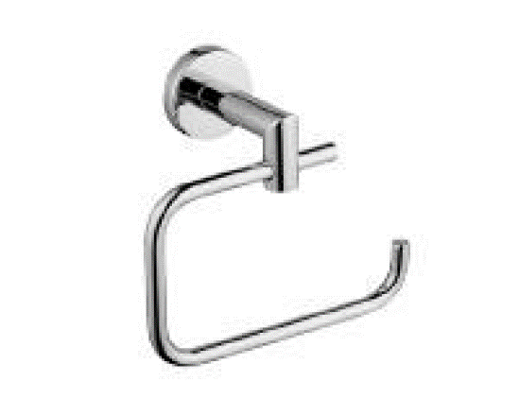 |  | MANUFACTURER | Vitra
 |  | MODEL | A44796EXP
 |  | COLOR
 |  | FINISH | Chrome
 |  | SIZE (in mm)
 |  | TECHNICAL INFORMATION
 |  | WEB LINK
 |  | NOTES

